Table 1
From P.Venkata Ramana, Head Master, Zilla Parishad High School, PENAGALUR. Respected Sir, | Zilla Parishad High School, Penagalur Mandat To The Chief Executive Officer, Zilla Praja Parishad, Y.S.R. KADAPA DISTRICT Rc.No.C/53/2021 Dated: 1-10-2021
SUB:- Establishment Zilla Parishad High School, Penagalur Mandal — Sri S. Allabakash, Ofice Sub- Ordinate, Zilla Parishad High School, Penagalur Mandal — Completed his three years service in the Cadre of Office Sub-Ordinate — Proposals submitted for Service Regularization and Prohibition declaration — Proposals — Submitted — Requesting — Regarding.
Application of Sri.S.AIIabakash, working as OPice Sub-Ordinate in Zilla Parishad High School, Penagalur Mandal dated: 21-01-2020
I submit that in the reference cited, one Sri.S.AlIabakash, working as office Sub-Ordinate in Zilla Parishad High School, Penagalur Mandal has represented that he has «ompleted his three years of service in the cadre of Office Sub-Ordinate and he is requested to service regularization and prohibition declaration.
Yoyçy fa h ully,
I further submit that as per the verification of Service Register and also available records in this oPice found that he is completed his two years service as on 20-01-2022 and also eligible for service regularization and also Prohibition declaration. His service is satisfactory and there are no charges pending against him. I am herewith submitting the proposals of the individual for your kind perusal.
Thanking you Sir.
Z.P.FI. |  | SÑOOL, ŒNAGALUR,
ŒNAGALUR (M), ANNANAYYA DiO.

Table 2
ANNEXURE I
PROFORMA No.1 FOR REGULARIZATION OF THE SERVICE
1 | SI.No
 | Name of the employee whose service : |  |  | pp | ) jy | y | . y pyj¢ | ÿjyy’p¿j )ÿ
 | have been regularized
3 | Name of the institution or office
4 | Designatïon |  |  | p | ç
s | Date of first appointment with grade
6 | Date of first appointment in the
 | previous grade
7 | Date of entry into the present grade |  |  |  |  |  | O / | 0 a
8 | Date of Birth |  |  |  |  |  | I \ — o | )
9 | Qualification
 | Examination / Test passed with dates
 | i. Academïc
 | ii. Training
 | iii. Name of the Departmental
 | Test long with the Extracts
 | Of the Gazette (Accounts
 | Test for Subordinate
 | Offices
 | Dy.lnspector Test and
 | Language Test)
10 Whether selected APPSC or Sponsored by the Employment Exchange Full Confidential Reports File Whether any allegations are pending whether any punïshment has been imposed |  |  |  |  |  |  | ‹? •/“\ P1 ¿‹î.I‹• /'J> îï S*' •/* *'?
e hye work and conduct is
f : .:f: o
ÉRTCF CATE
ÑÂ Ü
Certified that the particulars submitted are correct as per the Service Register of
Sri/SMT-: |  | Û'° | of this School/Office: !-**
LUR (N), AN
Z.P.H. SChOOÇ ŒNAGAtAIR, YYê DtsL

ANNEXURE - II PROFORMA NO.1 FOR THE DECLARATION OF PROBARTIONARY PERIOD

Table 3
1 SI.No
2 Name of the employee whose service have | : g Fl §1 X- | §LL# ZAX#f?t*
been regularized
3 Name of the institution or office
4 Designation
5 Date of Birth
6 Grade in which service have been
Regularized (Copy of the proceeding
Should be enclosed) and the date from
Which the service have been regularized
a. Grade | o s “
b. Date
7 AII kinds of leaves availed other than CL
From the date of regularization up to the
Period of three years that nature of each
Spell of leave along with period of each
Spell of leave 8 Qualification |  | çy
Examination/Test passed with dates
i. Academic
ii. Training
iii. Name of the Department Test
along with the Extracts of the
Gazette (Accounts Test for
Subordinate OPices Dy.lnspector
Test and Language Test)
iv. Regional Language Test Passed
v. Spl. Language Test passed
9 Full Confidential Reports File 10 Whether dny allegations are pending Whether any punishment has been imposed 11 Whether the work and conduct is Satisfactory
|]
of this School/office ’. fkl£L4
» a
CERTIFICATE Certified that the particulars submitted are correct as per the Service Register of Sri/Smt .
Z.P.H. SCHOOÇ PENAGAL\JR, ŒKAGALUR (M), ANNAl'ñAYYA DîsL
PROFORMA - B DETAILS OF THE SERVICE PARTICULARS IN CONNECTION WITH THE DECLARATION OF PROBATION IN THE CATEGORY OF OFFICE - SUBORDINATE 1. Name of the incumbent (In Block Letters) 2. Designation 3. Category in which the probation of the Incumbent to be declared 4. Office in which the incumbent is Working at present 5. No. and Date of the orders in his /her service were regularized 6. Date of regular appointment (i.e,) date From which incumbent is on probation 7. Date of completion of three years from the date of regular appointment (including all kinds of leaves availed by the incumbent) 8. Leaves availed if any by the incumbent With and without pay and allowances during the above period

Table 5
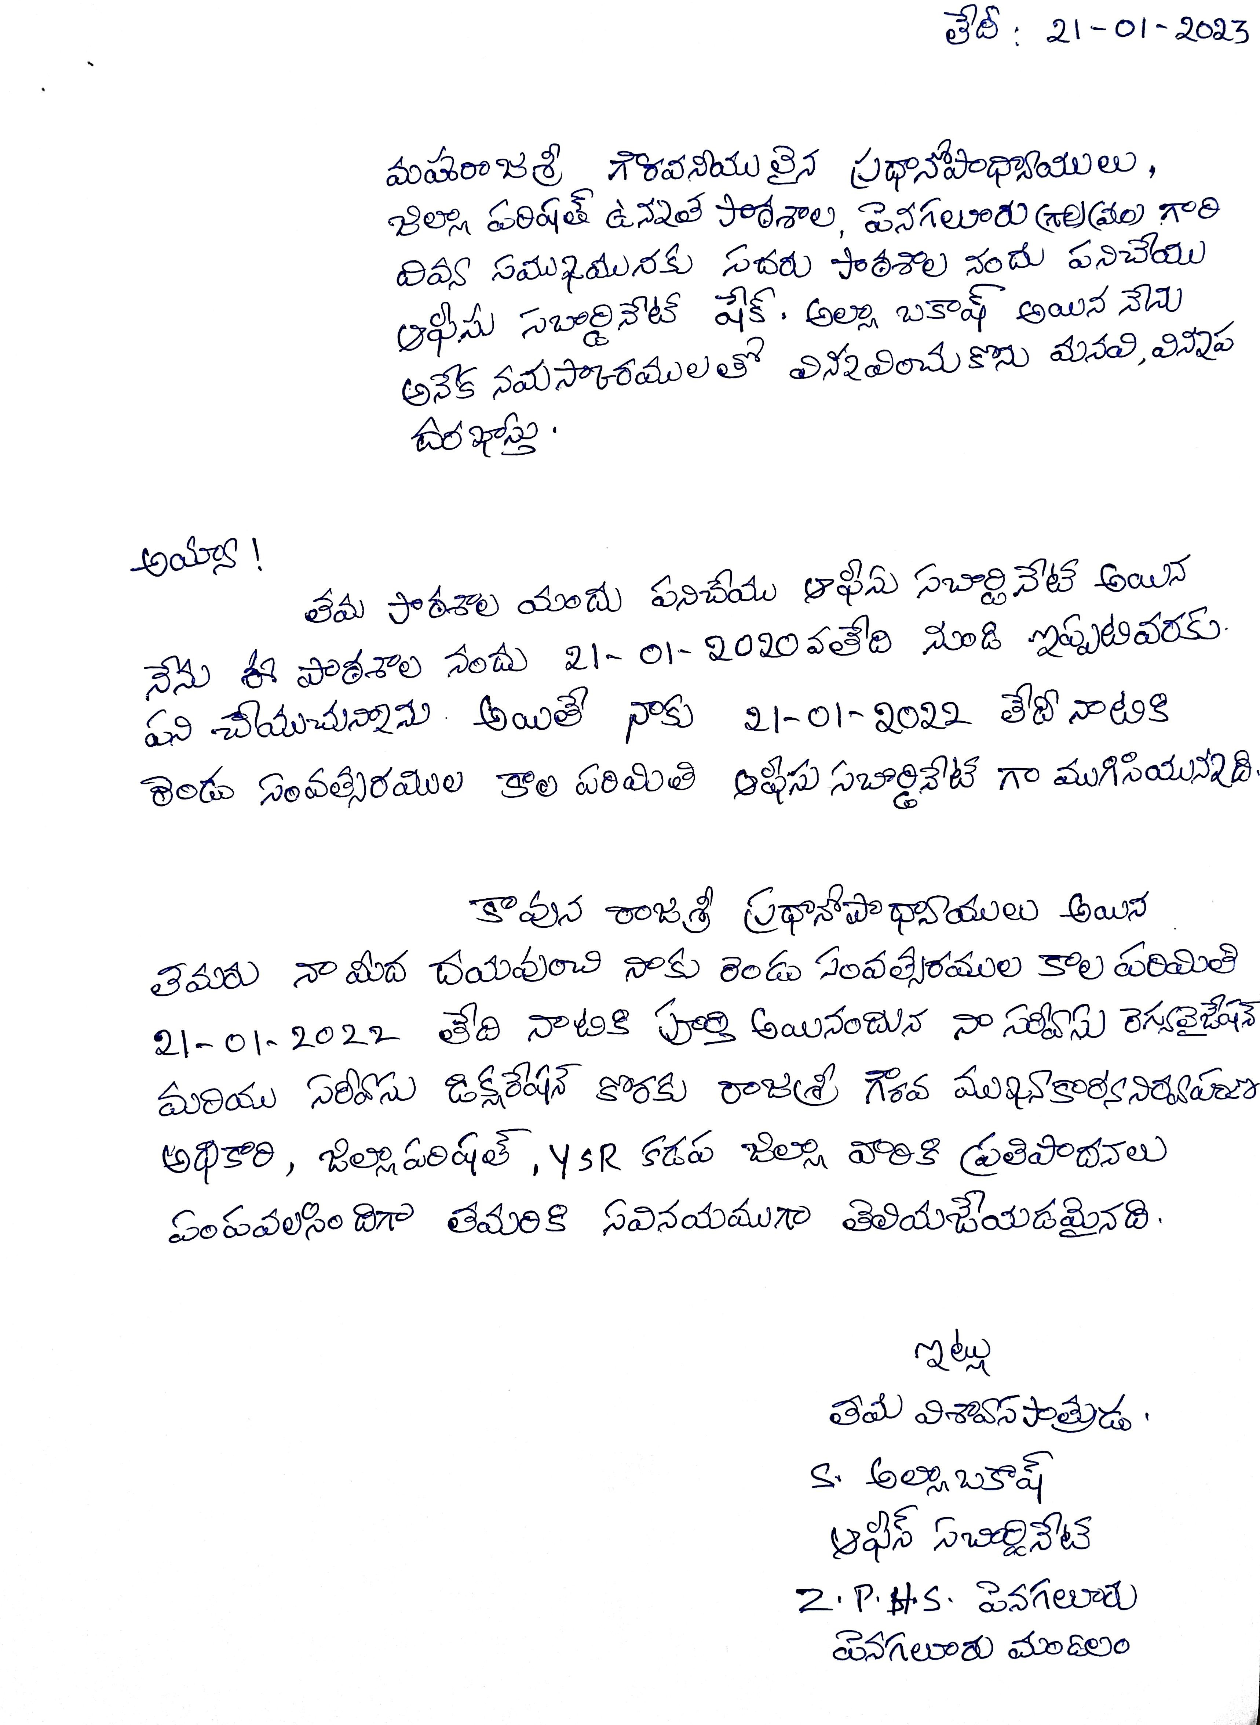
Name: /-Jh ‹ F h LLA fi # * *‘ *°! Post held: /? c fl f** c (b)Entry into Govt.Service 1. Knowledge of: a. Branch of section b. Department 2. Personality conduct and character 3. Power of taking responsibility 4. Initiative 5. (a)Judgement (b)Accuracy 6. Tact and Tember 7. Power of supervising stall 8. Zeal and Industry 9. Health 10. Attendance 11. Capacity of note and draft |  | Branch (a) Date Of Birth: t 1- o Present Grade & Pay
12. Fitness for promotion on confirmations 13. Punishments censures or special Commendations in the period under Report 14. Date of communication to the oflicer of any adverse remarks since last report 15. Indebted (if indebted the extent of Personal responsibility for incurring the debits 16. Is he / she confirmed in this past? If not what is his substantive post 17. Has he / she crossed the efficiency Bar in the present grade? If so date. General remarks including a statement on discipline, integrity, reliability and any other special qualification not included above
Date: | Signature (Reporting Oflicer) |  | PENAGALUR | NAGALIJR, (N), ANNANAYYA Dist,

